1. Title Page
[Basket Analysis]

Project Name: Instacart Basket Analysis
Date: 01 - 2024
Analyst Name: Cassy Stunkel

Contents:
Population Flow
Consistency checks
Wrangling steps
Column derivations
Visualizations
Recommendations

2. Population Flow
Title page

Population flow

Exclusion flag
Condition: max_order < 5
Obervations to be removed: 7997421
Final total count of order_products_all: 24436791

Orders_products_combined
Orders_products_merged
Orders_products_all

Total:32434212
Total:32434489
Total:32434212

1.) The grey boxes in the first row of the population flow represent the original data sets as they were when you downloaded them. In the Total fields you need to add the count of the rows when you imported the data set into Jupyter.
2.) The second row of boxes (coloured) represents the data sets after you manipulated them, e.g., removed missing values and duplicates. In the Total fields you need to add the count of the rows after conducting these operations. This offers a visual oveview of how the data flows throughout the data consistency checks.
3.) The third row, where also the arrows are coloured, represents the merges you performed between the datasets. In the Total fields you need to add the count of the rows in the merged datasets, so that you end up with the final dataset (in the red box). Keep in mind the final dataset should be without exclusions (based on the exclusion flag).

3. Consistency checks
 |  |  |  | Title page
Consistency checks

Dataset | Missing values | Missing values treatment | Duplicates
orders | days_since_prior_order | missing values' found represent first order, so not dropped. | No duplicates
products | No missing values |  | No duplicates
orders_products_prior | product_name | missing values not removed since could be linked to unique_ids | 5 duplicate rows dropped
customers | No missing values |  | No duplicates

4. Wrangling steps
 |  |  |  | Title page
Wrangling steps

Columns dropped | Columns renamed | Columns' type changed | Comment/Reason
eval_set |  |  | unneeded
 | orders_dow to orders_day_of_week |  | changed name of column to reduce confusion
 |  | order_id | changed to 'str' data type for data merging purposes
 |  | user_id | changed to 'str' data type, not needed as numeric
First Name |  |  | removed PII
Surnam |  |  | removed PII
 | Gender to gender |  | improve uniformity across column headers
 | STATE to state |  | improve uniformity across column headers
 | Age to age |  | improve uniformity across column headers
 | n_dependants to number_of_dependants |  | changed for clarity
 |  | department_id | changed to 'str' data typ to match keys in data dictionary

5. Column derivations
 |  |  |  | Title page

Column derivations and aggregations

Dataset | New column | Column/s it was derived from | Conditions
orders_wrangled | first_order | days_since_prior_order | df_ords['first_order'] = df_ords['days_since_prior_order'].isnull() == True
ords_prods_merge | Busiest day | orders_day_of_week | result = [] for value in df_ords_prods_merge['orders_day_of_week']: if value == 0: result.append('Busiest day') elif value == 4: result.append('Least busy') else: result.append('Regularly Busy')

ords_prods_merge | Busiest days | order_day_of_week | result = [] for value in df_ords_prods_merge['orders_day_of_week']: if value == 0 or value == 1: result.append('Busiest days') elif value == 4 or value == 3: result.append('Least busy days') else: result.append('Regularly busy days')
ords_prods_merge | busiest_period_of_day | order_hour_of_day | result = [] for value in df_ords_prods_merge['order_hour_of_day']: if value == 10 or value == 11 or value == 14 or value == 15 or value == 13 or value == 12 or value == 16 or value == 9: result.append('Most orders') elif value == 17 or value == 8 or value == 18 or value == 19 or value == 20 or value == 7 or value == 21 or value == 22: result.append('Average orders') else: result.append('Fewest orders')

ords_prods_merge_new | max_order | user_id, order_number | ords_prods_merge['max_order'] = ords_prods_merge.groupby(['user_id'])['order_number'].transform(np.max)
ords_prods_merge_new | loyalty_flag | max_order | ords_prods_merge.loc[ords_prods_merge['max_order'] > 40, 'loyalty_flag'] = 'Loyal customer'
 |  |  | ords_prods_merge.loc[(ords_prods_merge['max_order'] <= 40) & (ords_prods_merge['max_order'] > 10), 'loyalty_flag'] = 'Regular customer'
 |  |  | ords_prods_merge.loc[ords_prods_merge['max_order'] <= 10, 'loyalty_flag'] = 'New customer'
ords_prods_merge_new | mean_spend | user_id, prices | ords_prods_merge['mean_spend'] = ords_prods_merge.groupby(['user_id'])['prices'].transform('mean')
ords_prods_merge_new | median_order_frequency | user_id, days_since_prior_order | ords_prods_merge['median_order_frequency'] = ords_prods_merge.groupby(['user_id'])['days_since_prior_order'].transform('median')
ords_prods_merge_new | customer_frequency | median_order_frequency | ords_prods_merge.loc[ords_prods_merge['median_order_frequency'] > 20, 'customer_frequency'] = 'Non-frequent customer'
 |  |  | ords_prods_merge.loc[(ords_prods_merge['median_order_frequency'] > 10) & (ords_prods_merge['median_order_frequency'] <= 20), 'customer_frequency'] = 'Regular customer'
 |  |  | ords_prods_merge.loc[ords_prods_merge['median_order_frequency'] <= 10, 'customer_frequency'] = 'Frequent customer'
ords_prods_cust | region | state | result = [] for value in df['state']: if value == 'Maine' or value == 'New Hampshire' or value == 'Vermont' or value == 'Massachusetts' or value == 'Rhode Island' or value == 'Connecticut' or value == 'New York' or value == 'Pennsylvania' or value == 'New Jersey': result.append('Northeast') elif value == 'Wisconsin' or value == 'Michigan' or value == 'Illinois' or value == 'Indiana' or value == 'Ohio' or value == 'North Dakota' or value == 'South Dakota' or value == 'Nebraska' or value == 'Kansas' or value == 'Minnesota' or value == 'Iowa' or value == 'Missouri': result.append('Midwest') elif value == 'Delaware' or value == 'Maryland' or value == 'District of Columbia' or value == 'Virginia' or value == 'West Virginia' or value == 'North Carolina' or value == 'South Carolina' or value == 'Georgia' or value == 'Florida' or value == 'Kentucky' or value == 'Tennessee' or value == 'Mississippi' or value == 'Alabama' or value == 'Oklahoma' or value == 'Texas' or value == 'Arkansas' or value == 'Louisiana': result.append('South') elif value == 'Idaho' or value == 'Montana' or value == 'Wyoming' or value == 'Nevada' or value == 'Utah' or value == 'Colorado' or value == 'Arizona' or value == 'New Mexico' or value == 'Alaska' or value == 'Washington' or value == 'Oregon' or value == 'California' or value == 'Hawaii': result.append('West') else: result.append('missing')

 |  |  | result.append('missing')
ords_prods_cust | active_status | order_number | df.loc[df['order_number'] < 5, 'active_status'] = 'low-activity'
 |  |  | df.loc[df['order_number'] >= 5, 'active_status'] = 'active'
no_low_activity | age_profile | age | df_prof.loc[df_prof['age'] <= 39, 'age_profile'] = 'Young adult'
 |  |  | df_prof.loc[(df_prof['age'] >= 40) & (df_prof['age'] <= 64), 'age_profile'] = 'Adult'
 |  |  | df_prof.loc[df_prof['age'] >= 65, 'age_profile'] = 'Senior'
no_low_activity | dependents_profile | number_of_dependants | df_prof.loc[df_prof['number_of_dependants'] == 0, 'dependents_profile'] = 'No children'
 |  |  | df_prof.loc[df_prof['number_of_dependants'] >= 1, 'dependents_profile'] = 'Children'
no_low_activity | income_profile | income | result = []
 |  |  | for value in df_prof['income']:
 |  |  | if value <= 60000:
 |  |  | result.append('Low income')
 |  |  | elif value >= 250000:
 |  |  | result.append('High income')
 |  |  | else:
 |  |  | result.append('Middle income')
customer_profiling | customer_profile | age_profile, dependents_profile, income_profile | df['customer_profile'] = df['age_profile'] + '_' + df['dependents_profile'] + '_' + df['income_profile']
customer_profiling | min_spend_per_customer_profile | customer_profile, prices | df['min_spend_per_customer_profile'] = df.groupby(['customer_profile'])['prices'].transform(np.min)
customer_profiling | max_spend_per_customer_profile | customer_profile, prices | df['max_spend_per_customer_profile'] = df.groupby(['customer_profile'])['prices'].transform(np.max)
customer_profiling | avg_spend_per_customer_profile | customer_profile, prices | df['avg_spend_per_customer_profile'] = df.groupby(['customer_profile'])['prices'].transform(np.mean)
customer_profiling | min_usage_per_customer_profile | customer_profile, days_since_prior_order | df['min_usage_per_customer_profile'] = df.groupby(['customer_profile'])['days_since_prior_order'].transform(np.min)
customer_profiling | max_usage_per_customer_profile | customer_profile, days_since_prior_order | df['max_usage_per_customer_profile'] = df.groupby(['customer_profile'])['days_since_prior_order'].transform(np.max)
customer_profiling | avg_usage_per_customer_profile | customer_profile, days_since_prior_order | df['avg_usage_per_customer_profile'] = df.groupby(['customer_profile'])['days_since_prior_order'].transform(np.mean)
customer_profiling_complete | department_name | department_id | Department data dictionary was first assigned, then mapped to department_name
 |  |  | department_dict = {
 |  |  | '1': {'department': 'frozen'},
 |  |  | '2': {'department': 'other'},
 |  |  | '3': {'department': 'bakery'},
 |  |  | '4': {'department': 'produce'},
 |  |  | '5': {'department': 'alcohol'},
 |  |  | '6': {'department': 'international'},
 |  |  | '7': {'department': 'beverages'},
 |  |  | '8': {'department': 'pets'},
 |  |  | '9': {'department': 'dry goods pasta'},
 |  |  | '10': {'department': 'bulk'},
 |  |  | '11': {'department': 'personal care'},
 |  |  | '12': {'department': 'meat seafood'},
 |  |  | '13': {'department': 'pantry'},
 |  |  | '14': {'department': 'breakfast'},
 |  |  | '15': {'department': 'canned goods'},
 |  |  | '16': {'department': 'dairy eggs'},
 |  |  | '17': {'department': 'household'},
 |  |  | '18': {'department': 'babies'},
 |  |  | '19': {'department': 'snacks'},
 |  |  | '20': {'department': 'deli'},
 |  |  | '21': {'department': 'missing'}

6. Visualizations
 |  |  | Title page

Visualisations

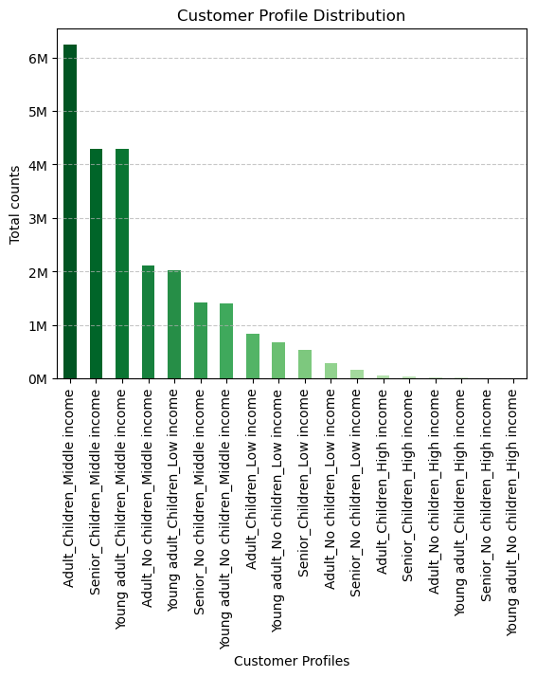

This bar chart shows the distribution of customer profiles, our most prominent profile being adults with children at a middle income level.
Answers question six in part one of 4.10: Create an appropriate visualization to show the distribution of profiles.

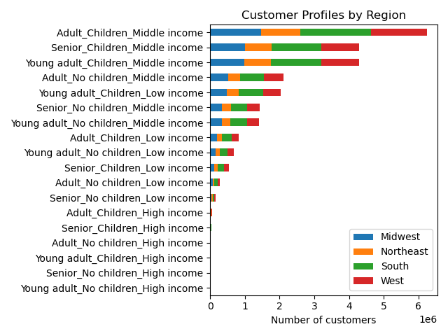

 | This horizontal bar chart examines the distribution of customer profiles by region. Breakdown of each region below.
 | *number of customers shown in millions
 | This visualization as well as the four below answer question eight of task 4.10, part 1: Compare your customer profiles with regions.

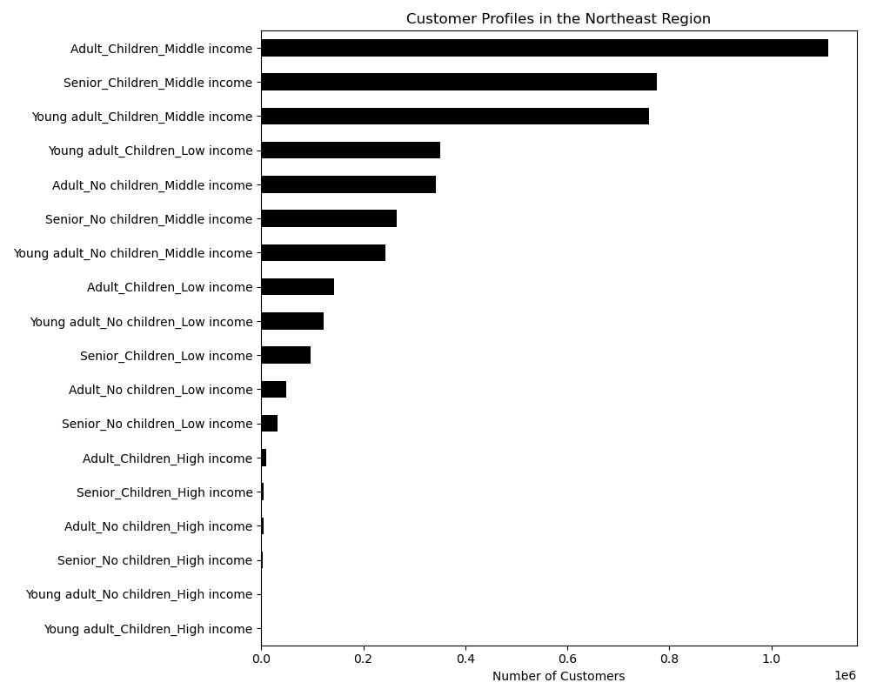

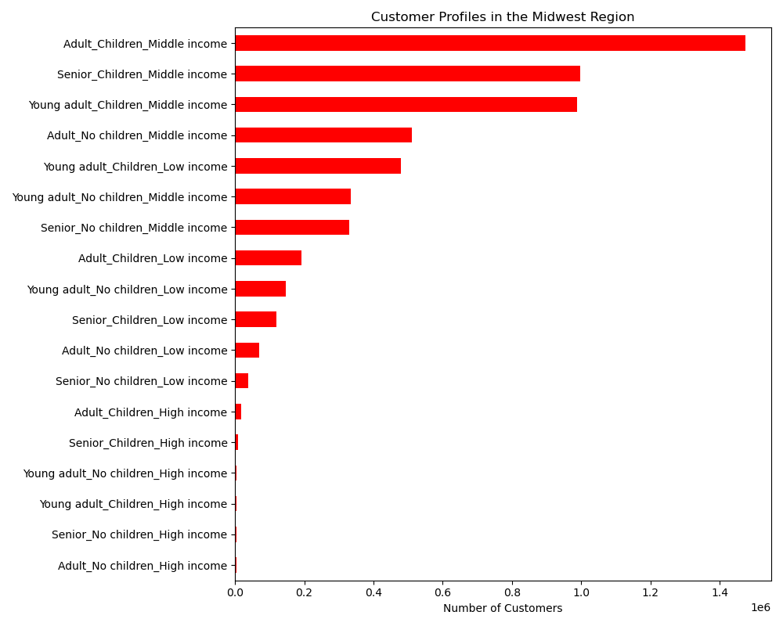

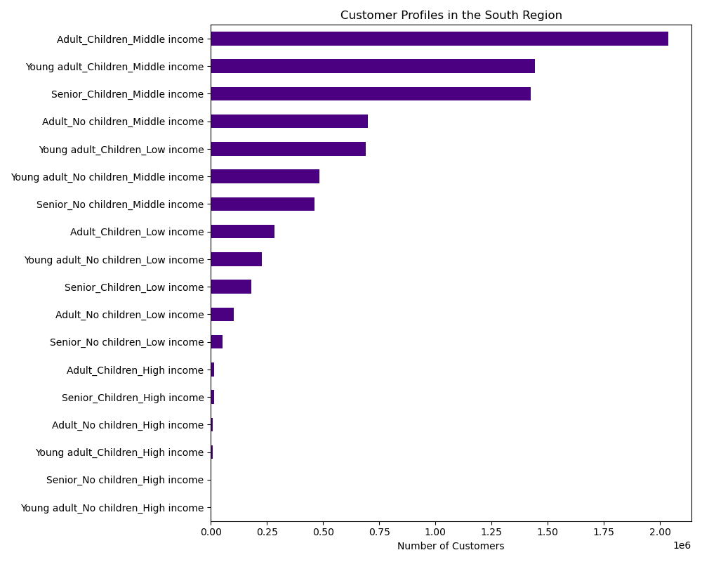

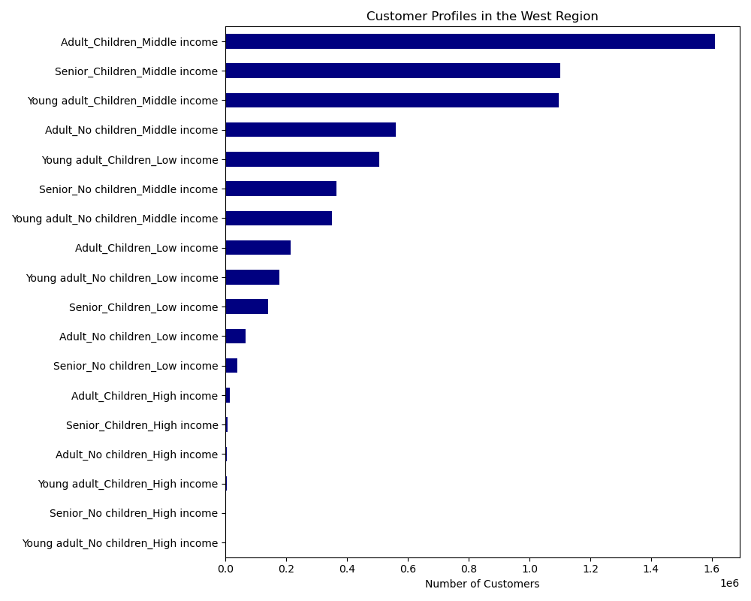

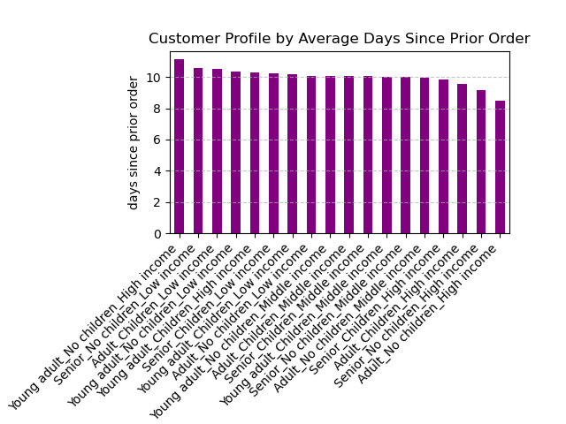

 |  | This visualization depicts the average usage frequency per customer profile.

 |  | Helps to answer question eight of 4.10, part 1: Aggregate the mean variables on a customer-profile level for usage frequency.

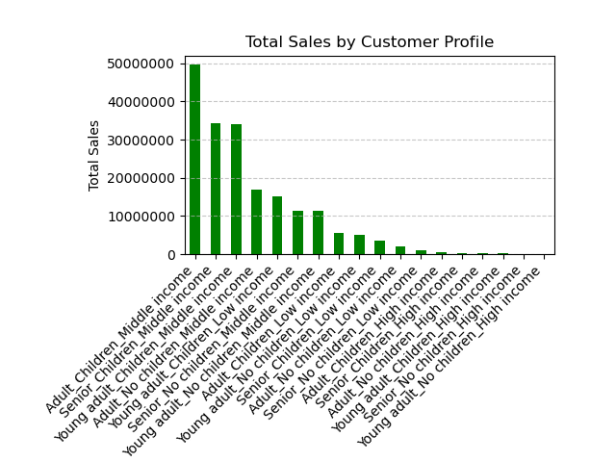

 |  | This bar chart shows the total sales of the entire data set collected for the year 2017, per customer profile.

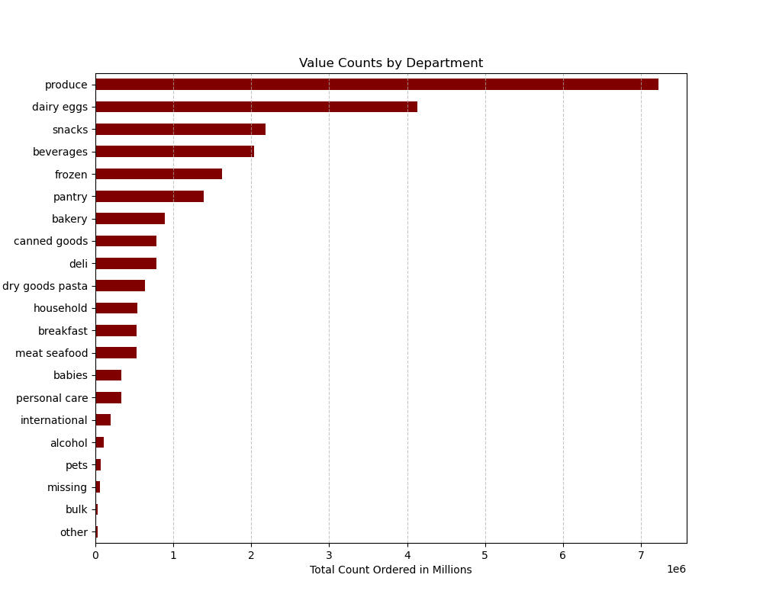

 |  | This visualization breaks down the number of items ordered by department. The values are shown in mllions.

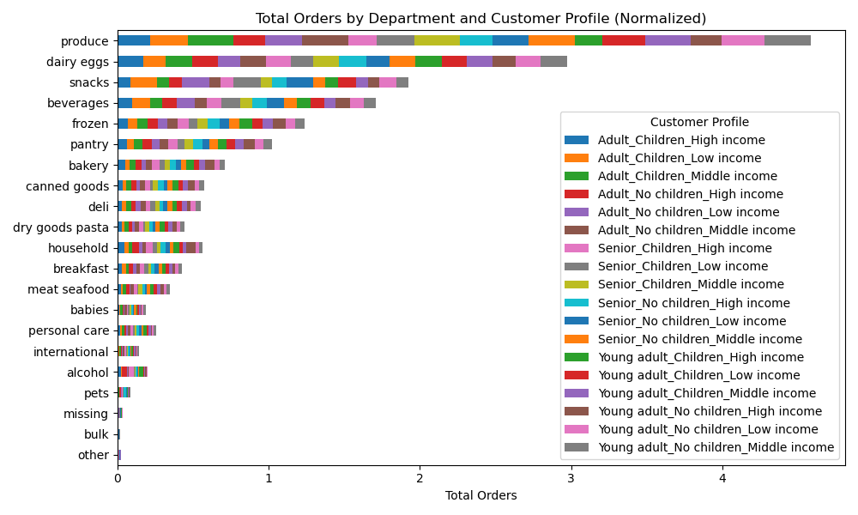

 |  | The visualization here shows the breakdown of department orders based on customer profile.

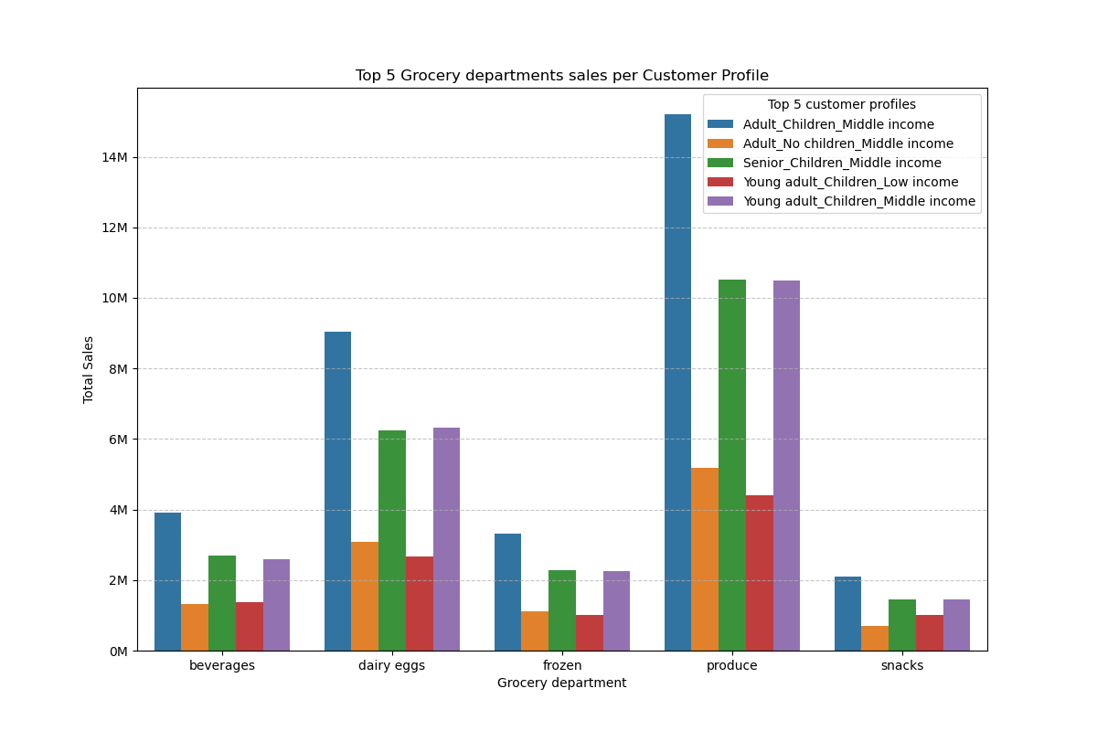

 |  | Here, I decided to take the top 5 customer profiles and compare them to the top 5 departments. The top 5 customer profiles exhibit similar spending habits across grocery departments.

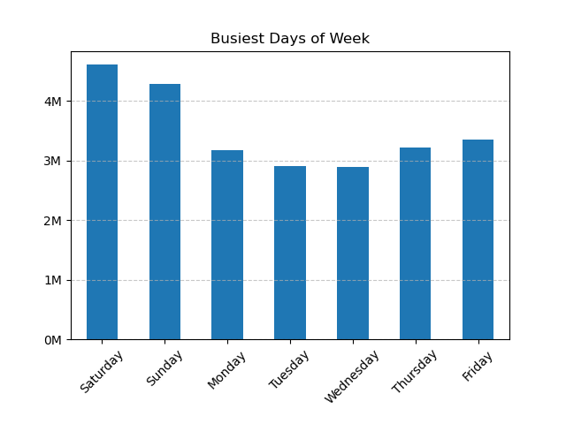

 | One question the sales team would like answered is what the busiest days of the week are. This bar chart visualizes the busiest days being over the weekend.

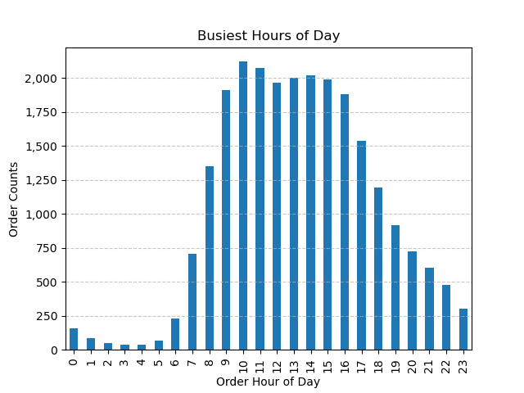

 | Here, our bar chart answers another of the sales team's key questions: what are the busiest hours of the day?

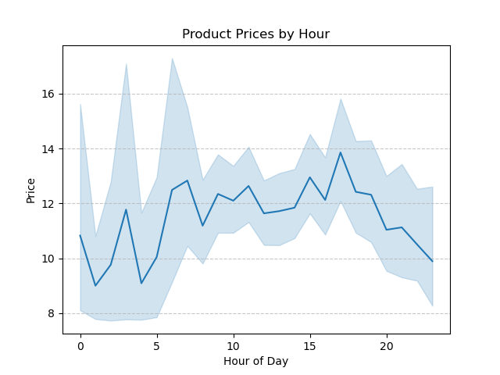

 | The sales team is also interested in knowing whether there are particular times of the day when people spend the most money. This line chart shows the the prices of products purchased peak in the evening, around 5 PM.

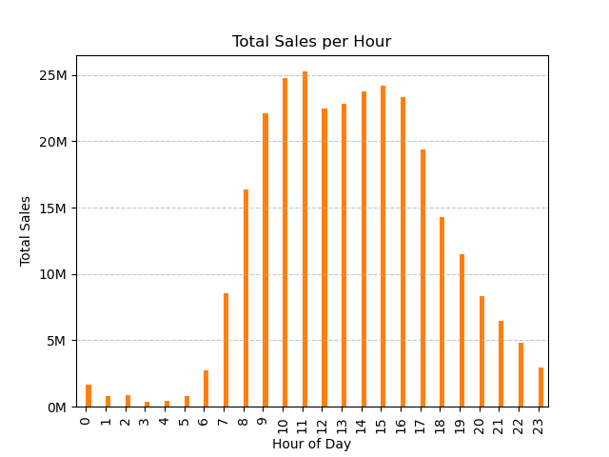

 | This bar chart shows total sales broken down by hour. Between the hours of 9 AM and 4 PM, customers spend over $20 million total during each of these hours.

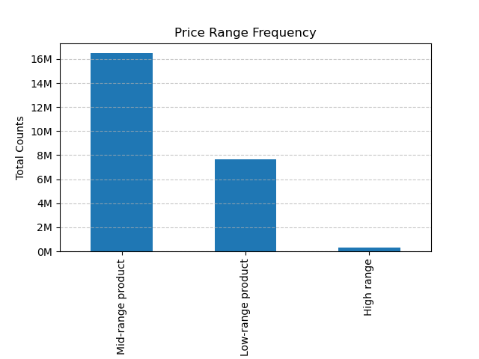

 | Marketing and sales want to use simpler price range groupings to help direct their effors. Items were split into three categories:
 |  | If the iten's price is lower than or equal to 5 dollars, it was labeled as 'low-range.'
 |  | If the item's p[rice is above 5 dollars but lower than or equal to 15 dollars, it was labeled 'mid-range.'
 |  | If the item's price is above 15 dollars, it was labeled as 'high-range.'
 | The bar chart here breaks down total order counts per each of these price range groupings. Mid-range products are purchased at a much higher frequency than low or high-range products. Products above the $15 price tag are rarely purchased.

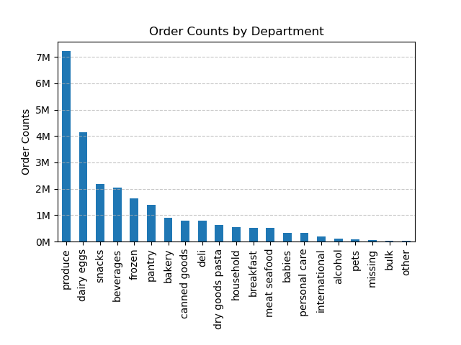

 | The marketing and sales teams what to know which departments have the highest frequency of product orders. The bar chart to the level depicts order counts by department.

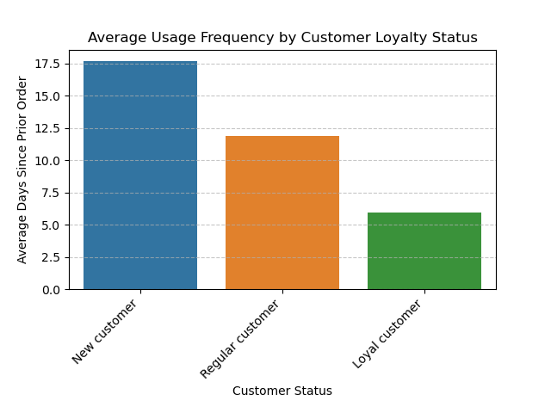

 | The marketing and sales teams are partiularly interested in the different types of customers in their system and how their ordering behaviors differ. This visualization shows average usage frequency based on a customer's loyalty status. Loyal customers are use the Instacart app on a much more frequent basis than new or regular customers.

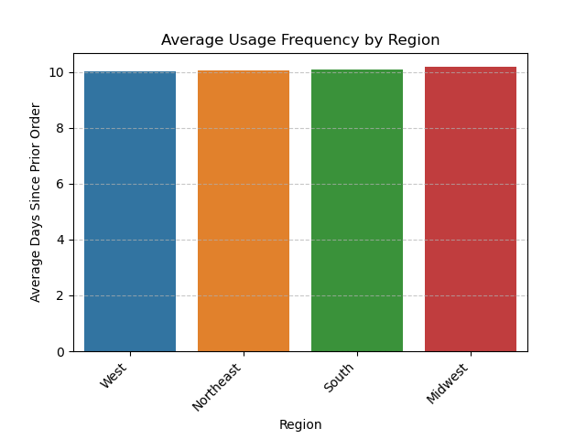

 | We continued to examine customer's ordering habits, this time based on region. Users across all US regions exhibit similar ordering habits, placing orders approximately every 10 days.

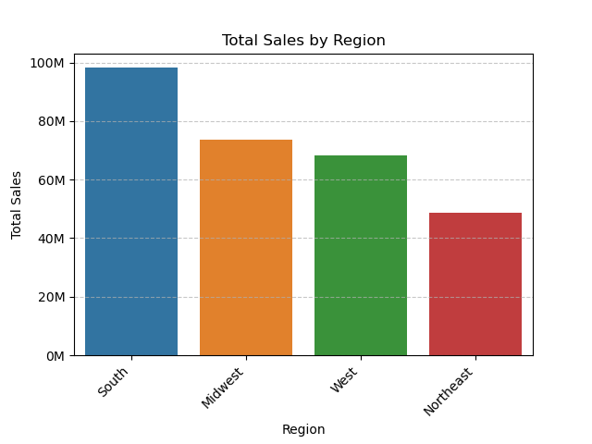

 | Here, we can see the total sales broken down by region. The US' Southern region stands out with the highest sales, totaling almost $100 million.

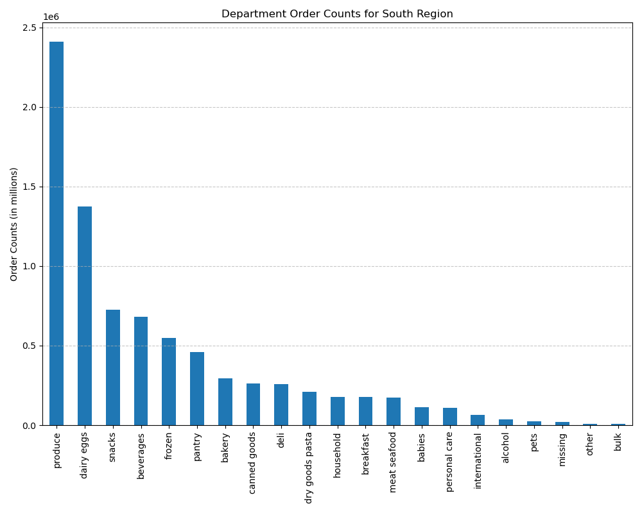

 |  | Now exaiming each region individually. Here, we've broken down the Southern region's order counts by department.

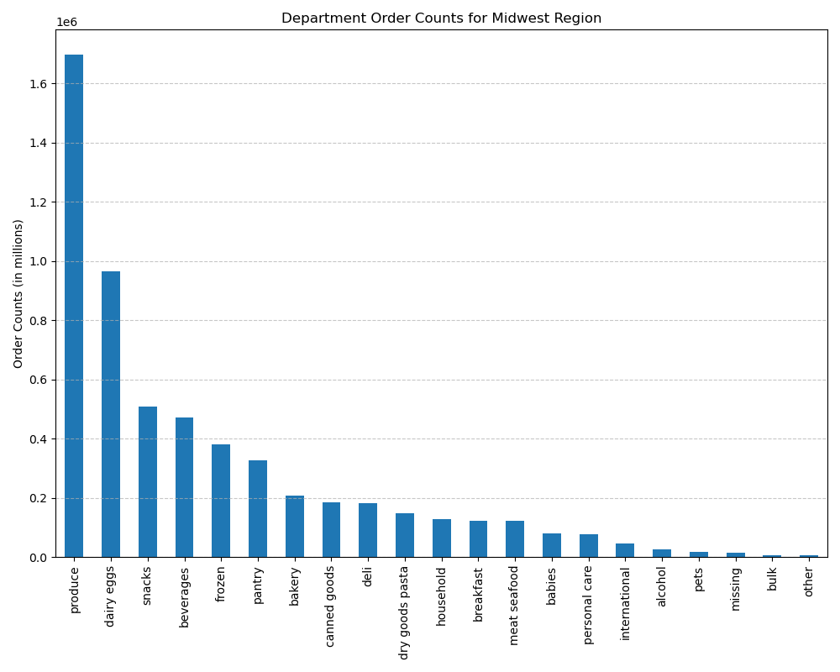

 |  | Midwest region's order counts by department.

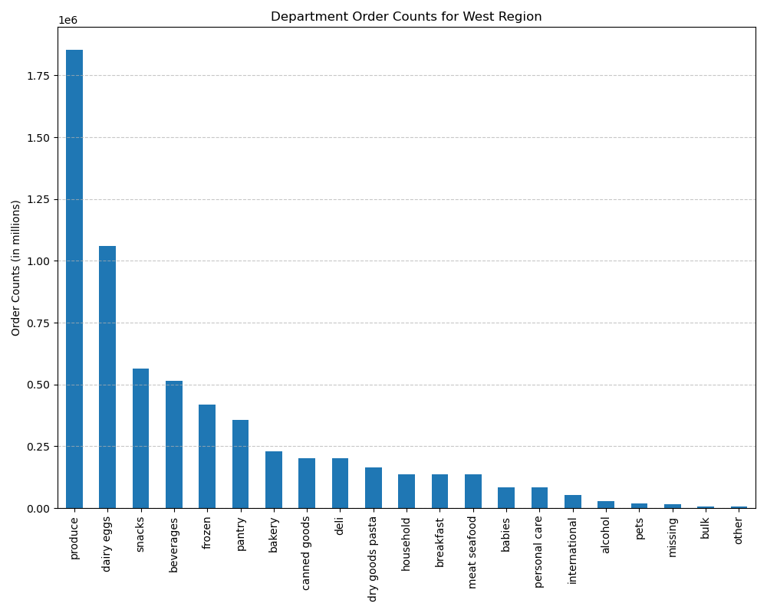

 |  | Western region's order counts by department.



 |  | Northeasetern region order counts by department. Across all regions, we see similar ordering habits by department. The top three most ordered-from departments are produce, dairy eggs, and snacks.

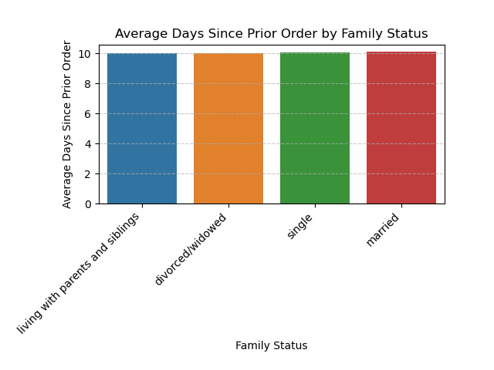

 | Now examining ordering habits based on a customer's family status. There is no difference in order frequency based on a customer's family status.

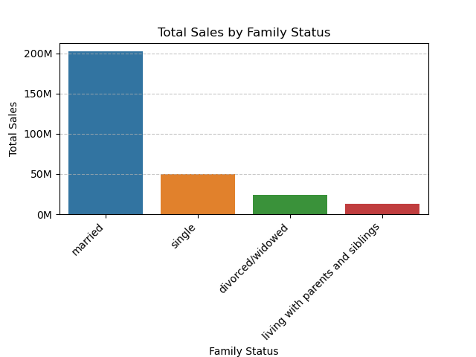

 | As we examine total sales by family status, we can see that customers with the family status of 'marred' represent a huge number of sales dollars, totaling over $200 million.

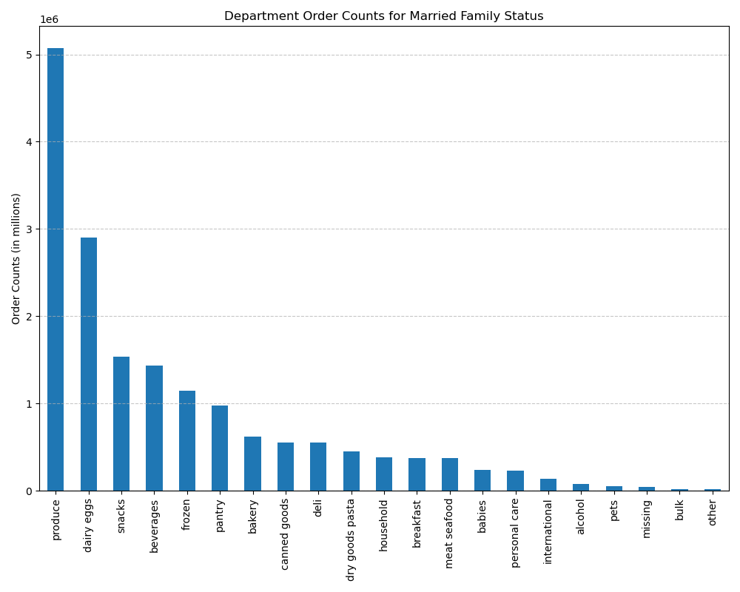

 |  | Now examinig ordering habits for each family status, broken down by department. Customers with a family status of 'married' order most frequently from our previously identified top three departments of produce, dairy eggs, and snacks.



 |  | Customers with a family status of 'single' also order from the top three departments.

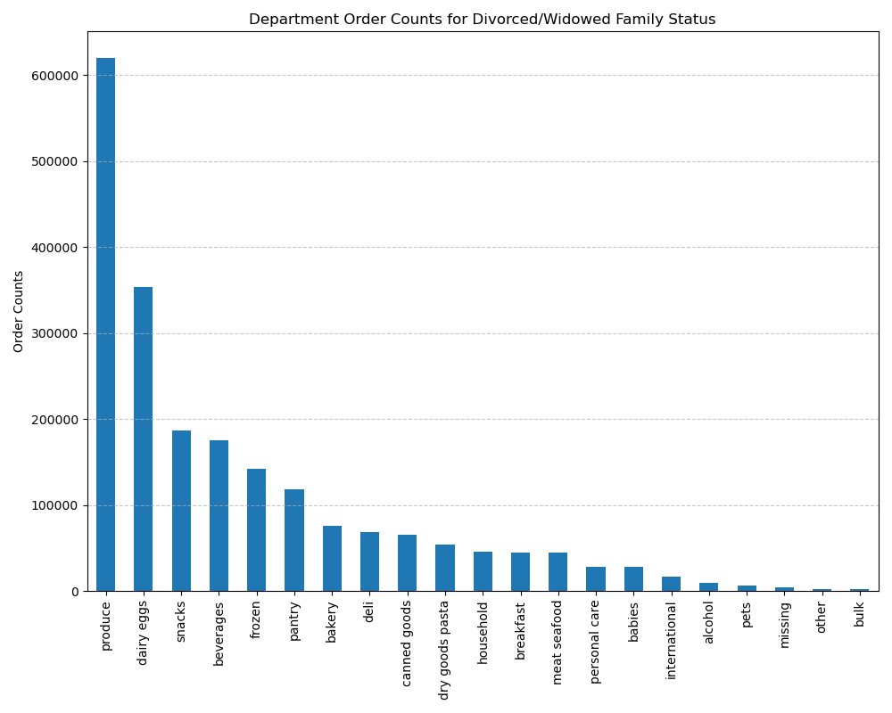

 |  | Customers with a 'divorced/widowed' family status also order most frequently from our top three departments.

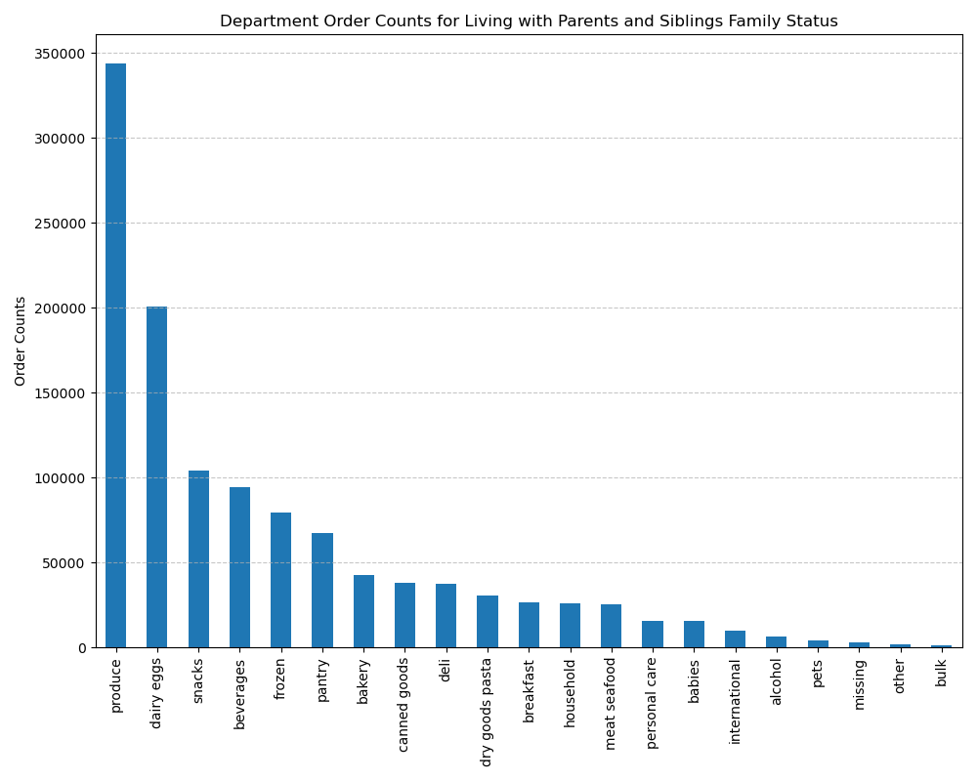

 |  | Customers with a 'living with parents and siblings' family status also follow the same department ordering trends. Regardless of family status, our top three ordered-from departments continue to be: produce, dairy eggs, and snacks.

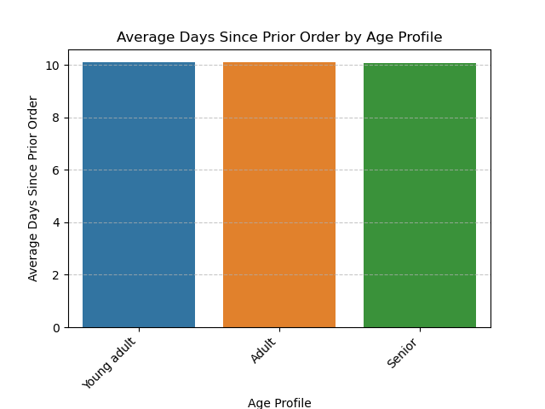

 | Now examinig ordering habits based on customer age. The 'age profile' variable was created based on the following criteria:
 |  | Young adult (ages 18-39)
 |  | Adult (ages 40-64)
 |  | Senior (ages 65+)
 | When we look at usage frequency across our three age profiles, there is no notable difference. All three age profiles place orders approximately every 10 days.

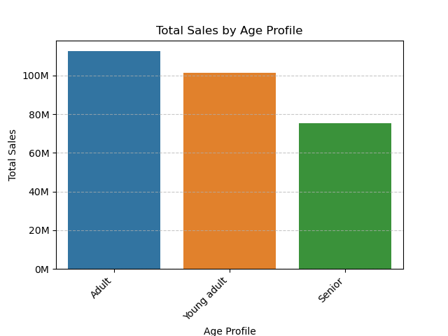

 | Adults contribute most to total sales.



 |  | The 'adult' age profile orders most frequently from the departments produce, dairy eggs, and snacks.



 |  | Young adults exhibit the sames department ordering habits as adults.

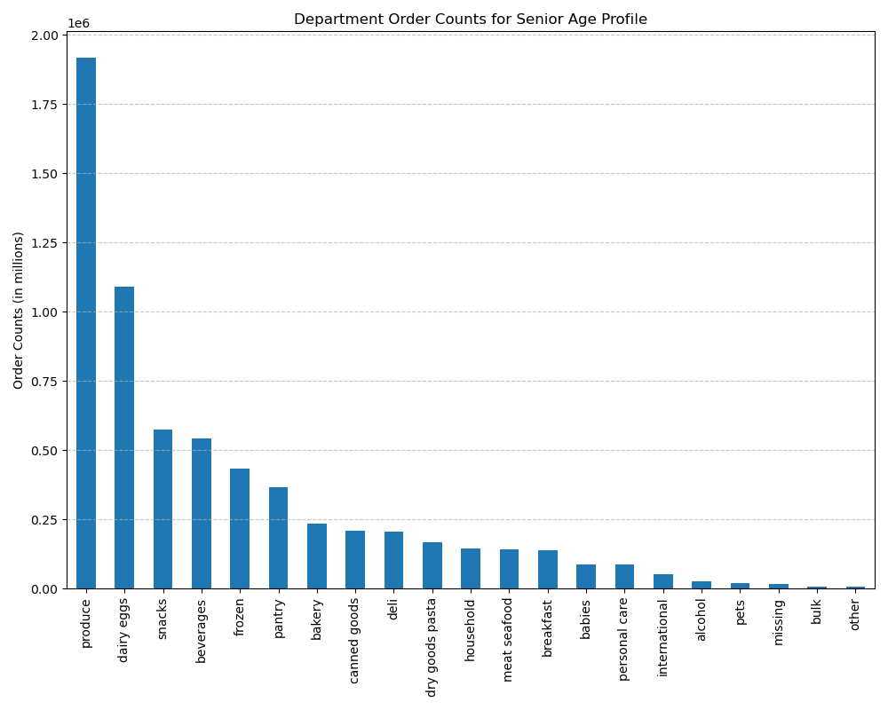

 |  | Regardless of age, customers are still purchasing most frequently from the produce, dairy eggs, and snack departments.

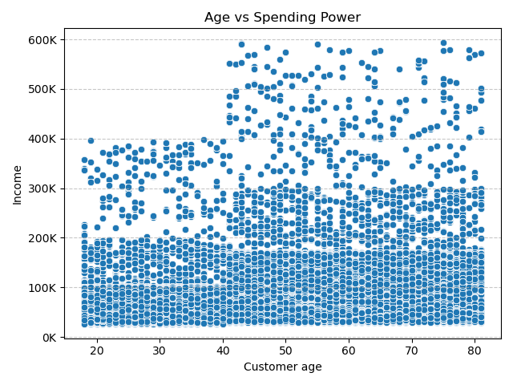

 | Is there a connection between age and spending power? This scatterplot visualizes customer's age compared to their income (spending power). Ages 20-40 have less spending power than those over the age of 40. Majority of customers, regardless of age, have an income of less than $200,000.

7. Recommendations
 |  | Title page

Recommendations

The sales team needs to know what the busiest days of the week and hours of the day are in order to schedule ad at times when there are fewer orders. | We have identified our busiest days of the week to be the weekend days of Saturday and Sunday, with week days showing the most opportunity for growth. Consider scheduling ads more frequently during these less-busy days; specifically, we are seeing fewest orders placed as we move into the late evening and early morning hours.Based on our analysis, Tuesdays and Wednesdays between the hours of 10 PM and 6 AM experience the fewest Instacart orders.

They also want to know whether there are particular times of the day when people spend the most money. | Peak spending is seen between the hours of 9 AM and 4 PM. Capitalize on this observed time period by focusing product advertising during these hours. The marketing team could focus on this time period to maximize sales and customer engagement.

Instacart has a lot of products with different price tags. Marketing and sales want to use simpler price range groupings to help direct their efforts. | Simplifying product pricing categories across three levels (low-range, mid-range, and high-range) addresses this concern. Mid-range products (priced between $5 and $15) are the most popular with customers by far. Emphasize marketing and sales efforts for this product price range.

Are there certain types of products that are more popular than others? | Throughout this analysis, the top three departments remained unchanged, regardless of customer demographic: produce, dairy eggs, and snacks (with the beverages department not being far behind snacks). Consider boosting promotions/advertising efforts in the less popular departments where there is more opportunity for growth.

The marketing and sales teams are particularly interested in the different types of customers in their system and how their ordering behaviors differ. | Customers that fit into the age profiles of 'adult' (ages 40-64) and young adult (ages 18-39) contributed most significantly to total sales. Consider targeted marketing campaigns aimed at these age groups. Additionally, it could be worth exploring whcih marketing channels are most popular with the 'senior' age group in order to capture more of these customers, especially considering that those customers of older ages tend to have more spending power.

 | There is an opportunity for growth in the US Northeastern region. Consider increased marketing efforts for this region to obtain more customers.

 | Married customers (especially those aged 40 and over, given that the analysis shows these customers have higher spending power) contribute over $200 to total sales. Keep these demographics in mind when considering future marketing strategies.

 | Customers with a 'middle income' contribute most to sales by far. Target marketing campaigns aimed at customers with this income level, especially prioritizing customers who fit into the top-identified category of 'adult with children at a middle income level.'

 | Customers with a 'loyal' status (loyal status earned when customer has placed greater than 40 orders with Instacart) place orders most frequently. Consider loyalty programs with enticing perks to convert more customers to 'loyal' status.

